Spring-Boot-Applications
Application Development
 | Will have a structure
 |  |  | Dependencies |  | libraries |  | Maven
 |  |  |  |  | standard programs
 |  |  |  |  | Helper packages
 |  |  |  |  | etc.

 |  |  | Program Code |  | packages
 |  |  |  |  |  | classes
 |  |  |  |  |  |  | interfaces
 |  |  |  |  |  |  |  | Many More
 |  |  |  |  | Templates
 |  |  |  |  | Assets
 |  |  |  |  | Configuration
 |  |  |  |  | Bundle - package - ready application for deployment with dependencies
 |  |  |  |  | Test classes or test package |  | How do you test the application
 |  |  |  |  | Application Launcher |  | Class with main() method |  | Startup class |  | All operations will be initiated from this file.

 | Standardized structure of application will be helpful for quickly starting the development

Typical-SpringBootApplication-Structure
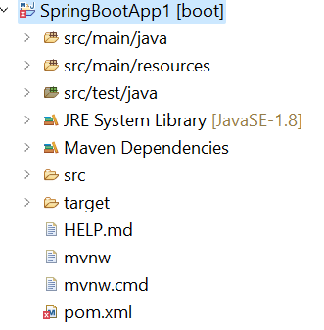
 |  |  |  |  |  |  | src\main\java |  | Java Source Files
 |  |  |  |  |  |  | src\main\resources |  | Resource files
 |  |  |  |  |  |  | src\main\test |  | Test Classes

 |  |  |  |  |  |  | System Dependencies
 |  |  |  |  |  |  | Maven Dependencies

 |  |  |  |  |  |  | Project Object Model - Configuration with application name, startup class, java version, dependent libraries

StandardAnnotations |  |  |  |  |  |  | @SpringBootApplication |  |  | Indicates the application is developed using spring boot
 |  |  |  |  |  |  |  |  |  | Provides default configuration
 |  |  |  |  |  |  |  |  |  | Enables automatic configuration available
 |  |  |  |  |  |  |  |  |  | Scans the packages or components to be injected

 |  |  |  |  |  |  | @SpringBootTest |  |  | Indicates the class is a standard test class

Scalability |  |  |  |  | What is scalability |  | Ability to respond to the request and increase or decrease the capacity to handle load of requests
 |  |  |  |  |  |  | To ensure uniform user experience
 |  |  |  |  |  |  |  |  |  |  |  |  |  |  |  |  |  |  |  |  |  |  |  |  |  | Separate Deployment |  |  |  | Separate Deployment |  |  | Separate Deployment |  |  |  |  |  |  | https://myshoppingcart.com
 |  |  |  |  |  |  |  |  |  |  |  |  |  |  |  |  |  |  |  |  |  |  |  |  |  | From the same domain |  |  |  | From the same domain |  |  | For take away only |  |  |  |  |  |  | Front End UI
 |  |  |  |  |  |  |  |  |  |  |  |  |  |  |  | Single unit monolithic hotel |  |  |  |  |  |  |  |  |  | Separate Cooks |  | Separate Infrastructure |  | Separate Cooks | Separate Infrastructure |  | Separate Cooks |  | Separate Infrastructure |  |  |  |  | Shopping Carts
Monolith | all components of the application i.e. frontend, service layer, database etc are deployed at one location or one system as a single unit then it is called as monolithic application |  |  |  |  |  |  |  |  |  |  |  |  |  |  | Fire in the kitchen - all services will be hampered |  |  |  |  |  |  |  |  |  | Seperation of the service
 |  |  |  |  |  |  |  |  |  |  |  |  |  |  |  | Kitchen |  |  |  |  |  |  |  |  |  | Breakfast / Snacks Kitchen |  |  |  | Lunch / Dinner Kitchen |  |  | Take Away Kitchen
 | User / Customer / consumer |  |  |  |  |  |  |  | Advantages of having a monolithic application
Accept Inputs |  |  |  | Show Output |  |  |  |  |  |  |  |  |  |  |  |  |  |  |  |  |  |  |  |  |  |  |  |  |  |  |  |  |  |  |  |  |  |  |  | https://myshoppingcart.com/products
Front End or User Interface |  |  |  |  |  | UI | Web |  |  | Everything is at one place |  |  |  |  |  |  |  |  |  |  |  |  |  |  |  |  |  |  |  |  |  |  |  |  |  |  |  |  | CRUD operations | Products and Categories |  |  | Users / Customers / Orders | CRUD | Delivery
 |  |  |  |  |  |  | Mobile |  |  | Easy debugging |  |  |  |  |  |  |  |  |  |  |  |  |  |  |  |  |  |  |  |  |  |  |  |  |  |  |  | Vendors and Suppliers | Create | Create a product and category definition | https://myshoppingcart.com/products/createOrDefineAProduct | C | Create an Order | C | Create a delivery for a location
 |  |  |  |  |  |  | Command Line |  |  | Easy deployment |  |  |  |  |  |  |  |  |  |  |  |  |  |  |  |  |  |  |  |  |  |  |  |  |  |  |  |  | Read | Read a product definition | https://myshoppingcart.com/products/readAProductFromCategory | R | Read an Order | R | Read a delivery
 |  |  |  |  |  |  |  |  |  | Easy maintenance |  |  |  |  |  |  |  |  |  |  |  |  |  |  |  |  |  |  |  |  |  |  |  |  |  |  |  |  | Update | Modify a product and category definition | https://myshoppingcart.com/products/updateProductInACategory | U | Update an Order | U | Update a delivery schedule
 |  |  |  |  |  |  |  |  |  |  |  |  | Hotel A | Services |  |  |  |  |  |  |  |  |  |  |  |  |  |  |  |  |  |  |  |  |  |  |  |  | Delete | Delete a product and category definition | https://myshoppingcart.com/products/DeleteProductInACategory | D | Delete an Order | D | Delete a delivery schedule
Controlling layer or processing layer of the application |  |  |  |  |  | Controller or Logic Layer |  |  |  |  |  |  |  |  |  |  | Overlap |  | Overlap |  | Overlap |  | Overlap |  |  |  | Overlap |  |  | Overlap |  | Overlap |  |  | Overlap
 |  |  |  |  |  |  |  |  | Disadvantages |  |  |  |  |  |  | 8:00:00 | 11:00:00 | 9:00:00 | 15:00:00 | 14:00:00 | 19:00:00 | 18:00:00 | 23:00:00 | 8:00:00 | 23:00:00 | 8:00:00 | 11:00:00 |  | 9:00:00 | 15:00:00 | 14:00:00 | 19:00:00 |  | 18:00:00 | 23:00:00 | 8:00:00 | 23:00:00 |  | CRUD Operations
 |  |  |  |  |  |  |  |  |  | IF one part fails entire application fails |  |  |  |  |  | Breakfast Service |  | Lunch Service |  | Snacks Service |  | Dinner Service |  | Take Away Service |  | Breakfast Service |  |  | Lunch Service |  | Snacks Service |  |  | Dinner Service |  | Take Away Service |  |  | Easily handled by REST API's | Separate Database for Products and Categories |  |  | Separate Database for Users / Customers and Orders |  | Separate Database for Delivery
 |  |  |  |  |  |  |  |  |  | Less scalable

Choose a Service to respond to the input |  |  |  |  |  | Service Layer or operations layer |  |  |  |  |  |  |  |  |  |  |  |  |  |  |  |  |  |  |  |  |  |  |  |  |  |  |  |  |  |  |  |  |  | Deployed seperately on a different server |  |  | Deployed seperately on a different server |  | Deployed seperately on a different server

 |  |  |  |  |  |  |  |  |  |  |  |  |  |  |  |  |  |  |  |  |  |  |  |  |  |  |  |  |  |  |  |  |  |  |  |  |  |  |  | Products Microservice |  |  | Orders Microservice |  | Delivery Microservice

 |  |  |  |  |  |  |  |  |  |  |  |  |  |  |  | Fire in any area entire hotel is shut down
Retreive Data from persistant medium or store it into the medium |  |  |  |  |  | Data Storage and Access Layer |  |  |  |  |  |  | Disadvantages |  |  |  |  |  |  |  |  |  |  |  |  | Fire in one kitchen can put pressure of another kitchen but services will continue to work
 |  |  |  |  |  |  |  |  |  |  |  |  |  |  | Consumer Queue at overlap times |  |  |  |  |  |  |  |  |  |  | Services are scalable

 |  |  |  |  |  |  |  |  |  |  |  |  |  |  |  |  |  |  |  |  |  |  |  |  |  | Service grouping
 |  |  |  |  |  |  |  |  |  |  |  |  |  |  |  |  |  |  |  |  |  |  |  |  |  | Microservices

Microservices
 | Is a pattern in which the code is
 |  |  |  | groupped into separate set of applications
 |  |  |  | each application can be working with the other on same machine
 |  |  |  | However will be deployed differently on different servers

 | It needs higher infrastructure
 | However provides scalability for quick turn around and response

Microservices
 | Will be using CRUD operations in terms of REST API's

 |  | Client
 |  |  | Users / Consumers
 |  |  |  | Making Request using |  | Browsers
 |  |  |  |  |  | Mobile Apps
 |  |  |  |  |  | PostMan

 |  | Controller
 |  |  | Expose the routes to the services |  |  | For e.g.
 |  |  | In the application |  |  |  | https://myshoppingcart.com |  | Server | Port | 443 or 8443

 |  |  |  |  |  |  | https://myshoppingcart.com/productController
 |  |  | Will receive a request |  |  |  | Expose Routes like |  |  |  |  | POST
 |  |  | And Process it |  |  |  | https://myshoppingcart.com/productController/createAProduct |  |  |  |  | createAProduct is a REST API
 |  |  |  |  |  |  |  |  |  |  |  |  |  | Define or Insert information
 |  |  |  |  |  |  |  |  |  |  |  | GET
 |  |  |  |  |  |  | https://myshoppingcart.com/productController/readAProduct |  |  |  |  | readAProduct is a REST API
 |  |  |  |  |  |  |  |  |  |  |  |  |  | Select information

 |  |  |  |  |  |  |  |  |  |  |  | PUT
 |  |  |  |  |  |  | https://myshoppingcart.com/productController/updateAProduct |  |  |  |  | updateAProduct is a REST API |  | change information

 |  |  |  |  |  |  | https://myshoppingcart.com/productController/deleteAProduct |  |  |  |  | DELETE
 |  |  |  |  |  |  |  |  |  |  |  | deleteAProduct is a REST API |  | Remove information

JPA-Annotations
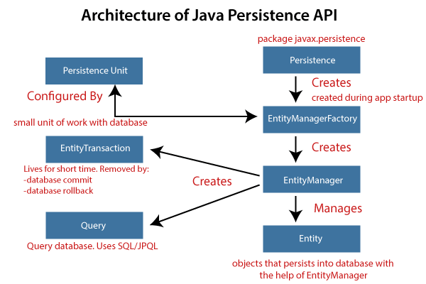
JPA - | ORM | Object Relational Mapping or MetaData |  |  |  |  |  |  |  |  |  |  |  |  | @Entity |  | Annotation to specify the entity class |  |  |  |  |  | DataModel
 |  |  |  |  |  | CRUD Repository provides default methods | Application Operations with Database |  |  |  |  |  | Spring Boot Starter JPA Dependency |  | public class Student |  |  | Controller |  | Service Layer |  | Repository | Entity
 |  |  |  |  |  | Operations that are expected in CRUD | Would be |  |  |  |  |  | <dependency> |  | { |  |  | REST API
 |  |  |  |  |  | save | C | Create a Database, Table, View, etc. |  |  |  |  | <groupId>org.springframework.boot</groupId> |  |  | @Id | Annotation for specifying the unique number generation | /add-user | Create a User | UserService |  | Basic Functions on | UserRecord
 |  |  |  |  |  | select or find | R | Read a Database, Table, Row |  |  |  |  | <artifactId>spring-boot-starter-data-jpa</artifactId> |  |  | private int rollNo; |  |  |  | addUser | UserRecord Data Model is persisted | Entity
 |  |  |  |  |  | modify or update | U | Update a Database, Table, Row |  |  |  |  | </dependency> |  |  |  |  | / | Fetch or select all users | getAllUsers() | Multiple UserRecord Models are returned as a group | UserRecord
 |  |  |  |  |  | remove or delete | D | Delete a Database, Table, Row
 |  |  |  |  |  |  |  | Alter a Database, Table, Row
 |  |  |  |  |  |  |  |  |  |  |  |  |  |  | }
 |  |  |  |  |  |  |  | Entity
 |  |  |  |  |  |  |  |  | Is a unique structure |  |  | Table |  |  | @Service |  | Indicates a Serviceable component class | http://localhost:8080/add-user
 |  |  |  |  |  |  |  |  |  |  |  |  |  |  |  |  |  | Supply
 |  |  |  |  |  |  |  |  |  |  |  |  |  |  | @Autowired |  | Annotation indicates that the object below will be instanced and referenced in the class | { |  |  |  |  |  | Persisted in the Derby Database
 |  |  |  |  |  |  |  | EntityManager |  |  |  |  |  | Transaction |  |  |  | "id":"1", |  |  |  |  |  | UserRecord Table
 |  |  |  |  |  |  |  |  | will have a connection with requested entities |  |  |  |  |  |  |  |  | "name":"Aditya",
 |  |  |  |  |  |  |  |  |  |  |  |  |  |  | @RestController - > Provides a REST API |  |  | "email":"adityamishra@gmail.com"
 |  |  |  |  |  |  |  | EntityManagerFactory |  |  |  |  |  |  |  |  |  | }
 |  |  |  |  |  |  |  |  | A uniform approach of handling the entire entity operation
 |  |  |  |  |  |  |  |  |  |  |  |  |  |  | @RequestMapping we can specify the method |  |  | http://localhost:8080/ |  |  |  |  |  |  | Query the database
 |  |  |  |  |  |  |  | Persistence API |  |  |  |  |  |  | method = RequestMethod.POST |  |  |  |  |  |  |  |  |  | For All rows in the UserRecord
 |  |  |  |  |  |  |  |  |  |  |  |  |  |  | By default we will have RequestMethod.GET

 | Persistence Unit
 |  |  | What is the database |  |  |  |  |  |  |  |  |  |  |  | @RequestMapping (value = "/add-user", method = RequestMapping.POST)
 |  |  | How to connect | URL |  |  |  |  |  |  |  |  |  |  | public void addUser(@RequestBody -> Indicates this request will have a payload
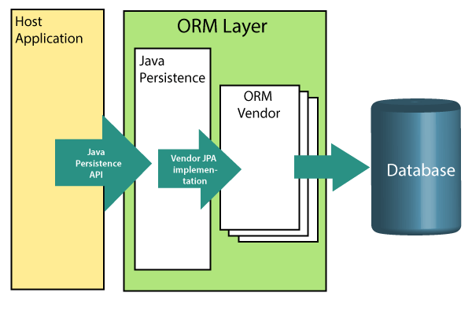
 |  |  | User name password

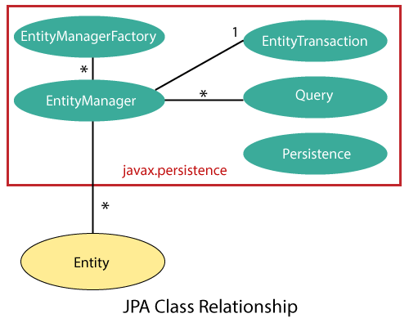
 |  |  |  |  |  | One to One
 |  |  |  |  |  | One to Many

 |  |  |  |  |  |  |  | ORM Vendor
 |  |  |  |  |  |  |  |  | Tells the application
 |  |  |  |  |  |  |  |  | Dialect |  | Is my database MySQL, Oracle, SQL Server etc

JPA Annotations with Hibernate |  |  |  |  | Hibernate is a JPA Framework

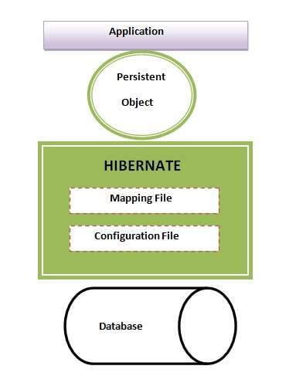

 |  |  |  |  | Mapping File
 |  |  |  |  | Clearly tells which object is mapped to which table
 |  |  |  |  | Configuration file tells
 |  |  |  |  | Which database
 |  |  |  |  | Has to be connected and what are required credentials

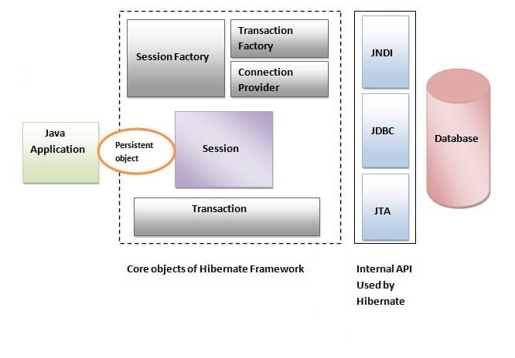
 |  |  |  |  |  |  | Application
 |  |  |  |  |  |  |  | Will have Java Objects to be
 |  |  |  |  |  |  |  | Persisted in Database
 |  |  |  |  |  |  |  | Queried for reading

 |  |  |  |  |  |  | Hibernate
 |  |  |  |  |  |  |  | Session |  | SessionFactory |  | Connection Properties
 |  |  |  |  |  |  |  | Transaction |  |  |  | URL, User Name, Password etc.

 |  |  |  |  |  |  |  |  | Commit
 |  |  |  |  |  |  |  |  | Rollback

 |  |  |  |  |  |  | The Annotations for Specifying the Table Name as Class Name

 |  |  |  |  |  |  | @Entity
 |  |  |  |  |  |  | @Table |  |  | Specifies that the Name of the Table = Student and Class name is also Student
 |  |  |  |  |  |  | public class Student
 |  |  |  |  |  |  | {
 |  |  |  |  |  |  |  | private String name;
 |  |  |  |  |  |  |  | @id |  | Identity column
 |  |  |  |  |  |  |  | @Column |  | To specify the column name is same as the property name
 |  |  |  |  |  |  |  | private int rollNo;

 |  |  |  |  |  |  | }

